Sheet2
Project Name | Myntra
Reviewed By | Miss Geethika Kommuru
Created By | Neha
Creation Date | 2024-11-16
Approval Date | 2024-11-18

Bug ID | Priority | Bug description | Pre-Requisities | Bug Steps | Expected Result | Actual Result | Status | Test executed By | Browser/Device | Screenshot
BG_001 | High | Login details should not be same for everyone | 1) Open the browser 2) Enter the URl | 1) Open the login page 2) Login details is alreday mentioned | Feature was supposed to be user friendly | This is not user friendliy | Fail | Neha | Browser-Chrome OS-Window 11
BG_002 | High | When we visit homepage the main features should be highlighted or bold | 1) Open the browser 2) Enter the URl | 1) Open the home page | Feature was supposed to be user friendly |  | Fail | Neha | Browser-Chrome OS-Window 11
BG_003 | Medium | Logout text should be on the top | 1) Open the browser 2) Enter the URl | 1) Open the homepage | Feature was supposed to be user friendly |  | Fail | Neha | Browser-Chrome OS-Window 11 | 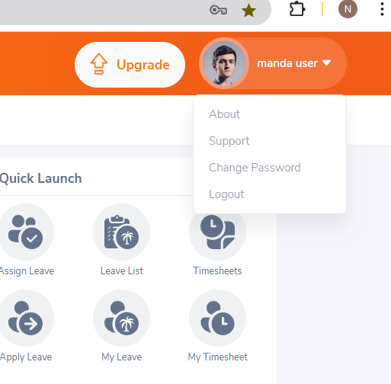
BG_004 | High | Color of the page should be user friendly | 1) Open the browser 2) Enter the URl | 1) Open the homepage | Feature was supposed to be user friendly |  | Fail | Neha | Browser-Chrome OS-Window 11 | 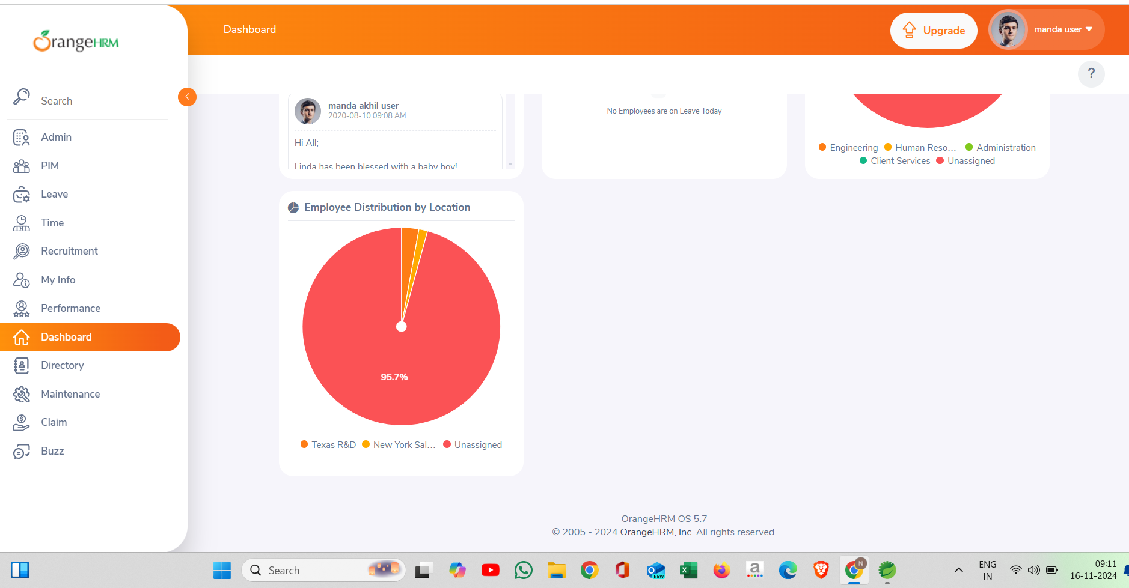
BG_005 | Low | Dashboard graph loads slowly | 1) Open the browser 2) Enter the URl | 1) Open the homepage 2) Click on Dashboard | Feature was supposed to be user friendly |  | Fail | Neha | Browser-Chrome OS-Window 11
BG_006 | Low | Duplicate employee data creation allowed | 1) Open the browser 2) Enter the URl | 1) Open the homepage 2) Click on Recruitment | Feature was supposed to be user friendly |  | Fail | Neha | Browser-Chrome OS-Window 11

